Key metrics
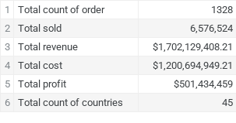
Total count of order | 1328
Total sold | 6,576,524
Total revenue | $1,702,129,408.00
Total cost | $1,200,694,949.00
Total profit | $501,434,459
Total count of countries | 45

Sales by category
Units Sold by Product category
Total Revenue by Product category

Sales by category
Total Cost by Product category
Total Profit by Product category

Sales by Geodata
Total Profit by Region
Total Profit by Subregion

Sales by sales channel
Total Profit by Sales Channel

Sales by category in terms of Sales Channel

Interval time
Average interval between Order and Ship by Product category
Чи залежить прибуток від часу, необхідного на відвантаження товару?

Shipping interval time by Total Revenue

Average Interval time by day Region

Dynamic Sales by Category
Total Revenue by Category (by Years)
Total Revenue by Category (by Month)

Dynamic Sales by Countries
TOP-5 Total Revenue by Countries (by Year)

TOP-5 Total Revenue by Countries (by Month)

Dynamic Sales by Region
Total Revenue by Region (by Year)

Total Revenue by Region (by Month)

Sales by WEEKDAY
Total Revenue by Weekday
TOP 5 Category total revenue by Weekday

Dashboard
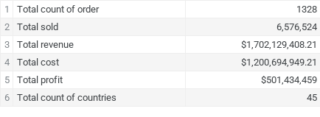
Total Profit by Subregion
Total profit by Countries

Total Profit by Sales Channel

Average interval between Order and Ship by Product category
Sales by category in terms of Sales Channel
Total Revenue by Region (by Year)

Total Revenue by Category (by Years)
TOP-5 Total Revenue by Countries (by Year)
TOP 5 Category total revenue by Weekday

ABC Analysis
ABC Units Sold 2017
% from total | Cumulative % | Group
15.77% | 15.77% | A
14.44% | 30.21% | A
12.13% | 42.34% | A
10.23% | 52.57% | A
9.11% | 61.68% | A
8.51% | 70.20% | A
8.02% | 78.22% | A
6.46% | 84.69% | B
5.04% | 89.73% | B
4.71% | 94.44% | B
4.48% | 98.92% | C
1.08% | 100.00% | C

ABC Total Revenue 2017
% from total | Cumulative % | Group
25.04% | 25.04% | A
19.94% | 44.99% | A
16.24% | 61.22% | A
13.50% | 74.73% | A
8.28% | 83.01% | B
5.28% | 88.29% | B
4.30% | 92.59% | B
2.81% | 95.40% | C
1.94% | 97.33% | C
1.55% | 98.88% | C
0.83% | 99.72% | C
0.28% | 100.00% | C

ABC Total Profit 2017
% from total | Cumulative % | Group
27.78% | 27.78% | A
17.01% | 44.78% | A
14.11% | 58.89% | A
10.48% | 69.37% | A
7.57% | 76.95% | A
6.41% | 83.36% | B
5.65% | 89.01% | B
4.56% | 93.57% | B
3.25% | 96.82% | C
1.66% | 98.49% | C
1.26% | 99.75% | C
0.25% | 100.00% | C

